Plan1
HARDWARE CONNECTION OVEN PROJECT

SOURCE:
~ | From Source 127VAC
~ | From Source 127VAC
24+ | From (V) IHM Communication / OPLLER HARDWARE 24VCC
24- | From (G) IHM Communication / OPLLER HARDWARE GND

IHM COMUNICATION
V | From SOURCE (+)
G | From SOURCE (-) / DB9 MALE (5)
T2 | From DB9 MALE (3)
R2 | From DB9 MALE (2)

DB9 MALE
2 | From IHM COMUNICATION(R2)
3 | From IHM COMUNICATION (T2)
5 | From IHM COMUNICATION (G) / OPLLER COMMUNICATION (GND)

DB9 FEMALE
VCC | From OPLLER COMUNICATION PORT (5V)
RXD | From OPLLER COMUNICATION PORT (RX)
TXD | From OPLLER COMUNICATION PORT (TX)
GND | From OPLLER COMUNICATION PORT (GND)

OPLLER COMUNICATION PORT
5V | From DB9 FEMALE (5V)
GND | From DB9 MALE (GND)
GND | From DB9 FEMALE (GND)
RX | From DB9 FEMALE (RX)
TX | From DB9 FEMALE (TX)

OPLLER HARDWARE
24VCC | From SOURCE (+) / COM
GND | From SOURCE (-)
COM | From OPLLER HARDWARE (24V) / TETO(3+) / LASTRO(3+)/ LAMPADA(3+) / VAPOR(3+) / COIFA(3+) / BEEP(3+)
Y1 | From SOLID STATE MODULE TETO (4-)
Y2 | From SOLID STATE MODULE LASTRO (4-)
Y3 | From SOLID STATE MODULE LAMPADA (4-)
Y4 | From SOLID STATE MODULE VAPOR (4-)
Y5 | From SOLID STATE MODULE COIFA (4-)
Y6 | From SOLID STATE MODULE BEEP (4-)
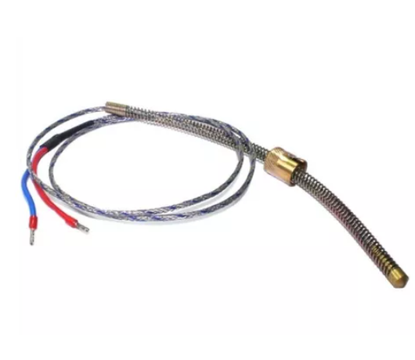
GND | From OPLLER HARDWARE (AT2-)
AT2- | From OPLLER HARDWARE (GND) / SENSOR TERMOCOUPLE J LASTRO (- BLUE)
AT2+ | From SENSOR TERMOCOUPLE J LASTRO (+ RED)
GND | From From OPLLER HARDWARE (AT1-)
AT1- | From OPLLER HARDWARE (GND) / SENSOR TERMOCOUPLE J TETO (- BLUE)
AT1+ | From SENSOR TERMOCOUPLE J TETO (+ RED)

TETO - SOLID STATE MODULE
1(~) | From INPUT 127VAC OPEN CONTACT
2(~) | From OUTPUT 127VAC OPEN CONTACT
3 (+) | From OPLLER HARDWARE (COM)
4 (-) | From OPLLER HARDWARE Y1

LASTRO - SOLID STATE MODULE
1(~) | From INPUT 127VAC OPEN CONTACT
2(~) | From OUTPUT 127VAC OPEN CONTACT
3 (+) | From OPLLER HARDWARE (COM)
4 (-) | From OPLLER HARDWARE Y2

LAMPADA - SOLID STATE MODULE
1(~) | From INPUT 127VAC OPEN CONTACT
2(~) | From OUTPUT 127VAC OPEN CONTACT
3 (+) | From OPLLER HARDWARE (COM)
4 (-) | From OPLLER HARDWARE Y3

VAPOR - SOLID STATE MODULE
1(~) | From INPUT 127VAC OPEN CONTACT
2(~) | From OUTPUT 127VAC OPEN CONTACT
3 (+) | From OPLLER HARDWARE (COM)
4 (-) | From OPLLER HARDWARE Y4

COIFA - SOLID STATE MODULE
1(~) | From INPUT 127VAC OPEN CONTACT
2(~) | From OUTPUT 127VAC OPEN CONTACT
3 (+) | From OPLLER HARDWARE (COM)
4 (-) | From OPLLER HARDWARE Y5

BEEP - SOLID STATE MODULE
1(~) | From INPUT 127VAC OPEN CONTACT
2(~) | From OUTPUT 127VAC OPEN CONTACT
3 (+) | From OPLLER HARDWARE (COM)
4 (-) | From OPLLER HARDWARE Y6

